562025
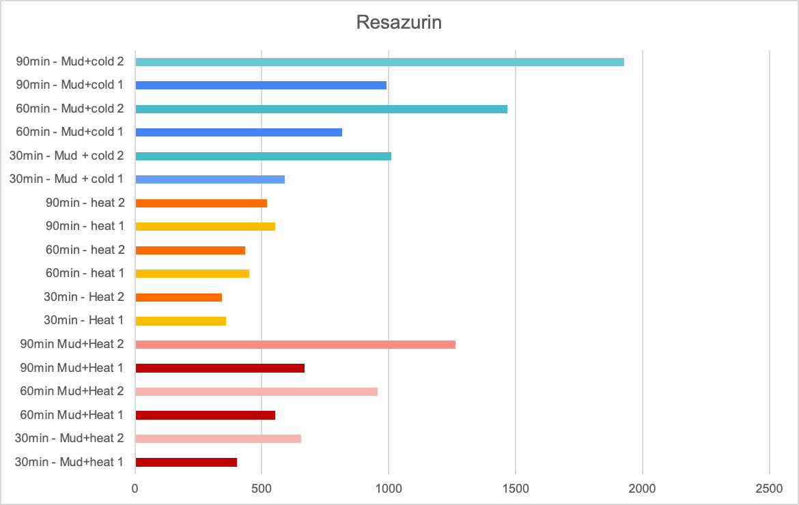
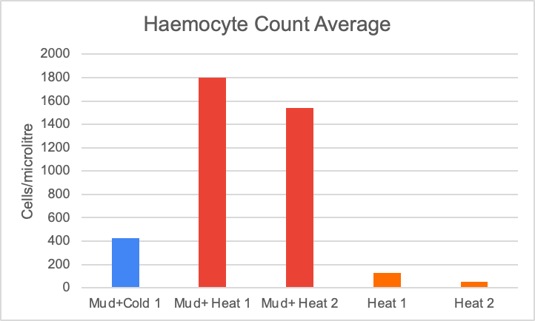
Data Collection Crab Immune Response |  |  |  |  |  | microcenterfuge tubes labels: MH=Mud+heat, H=Heat only, CM=Cold+mud |  |  |  |  |  |  |  |  | Hemocytometer counts and data 5/6/2025
 |  |  | the side of the mesh with the tape on it is the "used" side |  |  |  |  |  |  |  |  |  |  |  | Treatment | Corner Counts | Average | Calculation: number of cells in 0.1uL, so to get it to ul multiply by 10
5/6/2025 |  |  |  |  |  |  |  |  |  |  |  |  |  |  | Mud+Cold 1 | 27 | 42.5 | 425
Treatment | Crab # | Righting Time (sec) | Hemolymph (H) or Resazurin (R) | Lactate | Glucose | Triglyceride | BCA Protein | Haemocyte Count | weight |  |  |  |  |  |  | 35
Mud + Cold | 1 | 1.01 | H |  |  |  |  |  | 1.928 |  |  |  |  |  |  | 64
Mud + Cold | 2 | 1.03 | R |  |  |  |  |  | See below |  |  |  |  |  |  | 44
Mud + Cold | 3 | 0.63 | R |  |  |  |  |  | See below |  |  |  |  |  | Mud+ Heat 1 | 247 | 180 | 1800
Mud + Cold | 4 | Mortality | Mortality |  |  |  |  |  |  |  |  |  |  |  |  | 266
Mud + Heat | 1 | 1.71 | H |  |  |  |  |  | 2.346 |  |  |  |  |  |  | 83
Mud + Heat | 2 | 1.23 | H |  |  |  |  |  | 2.897 |  |  |  |  |  |  | 124
Mud + Heat | 3 | 0.66 | R |  |  |  |  |  | See below |  |  |  |  |  | Mud+heat 2 | 184 | 154 | 1540
Mud + Heat | 4 | 7.53 | R |  |  |  |  |  | See below |  |  |  |  |  |  | 134
Heat only | 1 | 0.66 | H |  |  |  |  |  |  |  |  |  |  |  |  | 195
Heat only | 2 | 1.14 | H |  |  |  |  |  |  |  |  |  |  |  |  | 103
Heat only | 3 | 1.08 | R |  |  |  |  |  | See below |  |  |  |  |  | Heat 1 | 12 | 13 | 130
Heat only | 4 | 0.36 | R |  |  |  |  |  | See below |  |  |  |  |  |  | 13
 |  |  |  |  |  |  |  |  |  |  |  |  |  |  |  | 16
 |  |  |  |  |  |  |  |  |  |  |  |  |  |  |  | 11
 |  |  |  |  |  |  |  |  |  |  |  |  |  |  | Heat 2 | 4 | 5 | 50
 |  |  |  |  |  |  |  |  |  |  |  |  |  |  |  | 3
 |  |  |  |  |  |  |  |  |  |  |  |  |  |  |  | 3
 |  |  |  |  |  |  |  |  |  |  |  |  |  |  |  | 10

Resazurin Position in the sample plate | 1 | 2 | 3 | 4 | 5 | 6 | 7 | 8 | 9 | 10 | 11 | 12
Row 1 | 30min - Mud+heat 1 | 30min - Mud+heat 2 | 60min Mud+Heat 1 | 60min - Mud+ Heat 2 | 90min Mud+Heat 1 | 90min Mud+Heat 2 | 30min - Heat 1 | 30min - Heat 2 | 60min - heat 1 | 60min - heat 2 | 90min - heat 1 | 90min - heat 2
Row 2 | 30min - Mud + cold 1 | 30min - Mud + cold 2 | 60min - Mud+cold 1 | 60min - Mud+cold 2 | 90min - Mud+cold 1 | 90min - Mud+cold 2 |  |  |  |  |  |  |  |  | Control 2

 |  |  |  |  |  |  |  |  |  |  |  |  | 30 min Mud+Heat | 403 | 655
cup mass: 13.613g | Crab | Mass (g) |  |  |  |  |  |  |  |  |  |  | 60 min Mud+Heat 1 | 552 | 955
13.613 | Mud+heat 1 | 2.689 |  |  |  |  |  |  |  |  |  |  | 90 min Mud+Heat 1 | 669 | 1263
 | Mud+heat 2 | 5.295 |  |  |  |  |  |  |  |  |  |  | 30 min Mud+Cold | 589 | 1011
 | No Mud+Heat 1 | 1.633 |  |  |  |  |  |  |  |  |  |  | 60 min Mud+
 | No Mud+Heat 2 | 1.869
 | Mud+cold 1 | 3.361
 | Mud+cold 2 | 2.845

Resazurin Data from Zach (NOTE: It seems like we ordered our spots on the plate in the opposite way, see the second row, how there is a gap on the left instead of the right)
Results
 | 1 | 2 | 3 | 4 | 5 | 6 | 7 | 8 | 9 | 10 | 11 | 12
A | 521 | 553 | 435 | 451 | 343 | 358 | 1263 | 669 | 955 | 552 | 655 | 403
B | 0 | 0 | 1 | 1 | 0 | 6 | 1929 | 991 | 1468 | 815 | 1011 | 589

Control ID | Weight | 30min | 60min | 90min | 1 Control tested, information to gather these results listed here
3 | 1.405g | G1 | G4 | G7

Sheet4
A | A | IBUO-HN | IBUO-HN | IBUO-Control | IBUO-Control-Low | MUD-5/13-H3 | MUD-5/13-H3
B | B | IBUO-HE | IBUO-HE | IBUO-Control | IBUO-Control | MUD-5/13-C1 | MUD-5/13-C1
C | C | IBUO-HE | IBUO-HE | MUD-5/6-MC1 | MUD-5/6-MC1 | MUD-5/13-C2 | MUD-5/13-C2
D | D | IBUO-HH | IBUO-HH | MUD-5/6-MH1 | MUD-5/6-MH1 | MUD-5/13-MC3 | MUD-5/13-MC3
E | E | IBUO-HH |  | MUD-5/6-MH2 | MUD-5/6-MH2
F | F | IBUO-AH | IBUO-AH | MUD-5/6-H1 | MUD-5/6-H1-Low
G | G | IBUO-AE | IBUO-AE | MUD-5/6-H2 | MUD-5/6-H2
H | H | IBUO-AE | IBUO-AE | MUD-5/13-MH3 | MUD-5/13-MH3

UNITS = Glucose (mg/dL)
A | A | 0.10449859 | 0.04592315 | 0.55904405 | 0.32239925 | 0.85660731 | 0.82614808 | -0.0196813 | -0.0196813 | -0.0196813 | -0.0220244
B | B | 0.19821931 | 0.20290534 | 0.18650422 | 0.17947516 | 0.19119025 | 0.16073102 | -0.0196813 | -0.0196813 | -0.0196813 | -0.0196813
C | C | 0.18181818 | 0.16776007 | 0.84957826 | 0.97141518 | 0.11621368 | 0.12558575 | -0.0196813 | -0.0196813 | -0.0196813 | -0.0220244
D | D | 0.25210872 | 0.22867854 | 0.3294283 | 0.25445173 | 7.2764761 | -0.0267104 | -0.0196813 | -0.0196813 | -0.0220244 | -0.0196813
E | E | 0.13261481 | -0.0267104 | 0.09512652 | 0.07638238 | -0.0290534 | -0.0267104 | -0.0196813 | -0.0196813 | -0.0196813 | -0.0196813
F | F | 0.158388 | 0.10918463 | 0.43720712 | 0.25679475 | -0.0267104 | -0.0267104 | -0.0196813 | -0.0196813 | -0.0196813 | -0.0196813
G | G | 0.02483599 | 0.01780694 | 0.56373008 | 0.53092784 | -0.0267104 | -0.0267104 | -0.0196813 | -0.0196813 | -0.0173383 | -0.0196813
H | H | 0.12558575 | 0.11621368 | 1.73992502 | 1.67900656 | -0.0267104 | -0.0267104 | -0.0220244 | -0.0173383 | -0.0173383 | -0.0196813

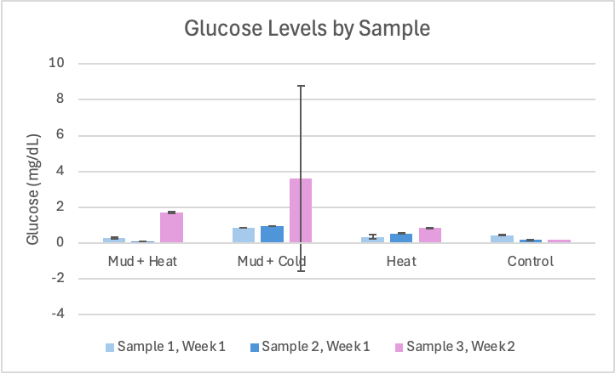
 |  |  |  | Mud + Heat | Mud + Cold | Heat | Control
MUD-5/6-MC1 | 0.84957826 |  | 2025-05-06 | 0.3294283 | 0.84957826 | 0.43720712
MUD-5/6-MH1 | 0.3294283 |  |  | 0.09512652 | 0.97141518 | 0.56373008
MUD-5/6-MH2 | 0.09512652 |  |  | 0.25445173 |  | 0.25679475
MUD-5/6-H1 | 0.43720712 |  |  | 0.07638238 |  | 0.53092784
MUD-5/6-H2 | 0.56373008 |  | 2025-05-13 | 1.67900656 | 7.2764761 | 0.85660731 | 0.19119025
MUD-5/13-MH3 | 1.73992502 |  |  | 1.73992502 | -0.0267104 | 0.82614808 | 0.11621368
MUD-5/6-MC1 | 0.97141518 |  |  |  |  |  | 0.16073102
MUD-5/6-MH1 | 0.25445173 |  |  |  |  |  | 0.12558575
MUD-5/6-MH2 | 0.07638238
MUD-5/6-H1-Low | 0.25679475
MUD-5/6-H2 | 0.53092784 |  | AVERAGES
MUD-5/13-MH3 | 1.67900656 |  | 1 | 0.291940015 | 0.84957826 | 0.347000935 | 0.44072165
MUD-5/13-H3 | 0.85660731 |  | 2 | 0.08575445 | 0.97141518 | 0.54732896 | 0.18298969
MUD-5/13-C1 | 0.19119025 |  | 3 | 1.70946579 | 3.62488285 | 0.841377695 | 0.175960635
MUD-5/13-C2 | 0.11621368 |  |  |  |  |  | 0.120899715
MUD-5/13-MC3 | 7.2764761
MUD-5/13-H3 | 0.82614808
MUD-5/13-C1 | 0.16073102
MUD-5/13-C2 | 0.12558575
MUD-5/13-MC3 | -0.0267104

Glucose 2
 | 1 | 2 | 3 | 4 | 5 | 6 | 7 | 8
A | A | A | IBUO-HN | IBUO-HN | IBUO-Control | IBUO-Control-Low | MUD-5/13-H3 | MUD-5/13
B | B | B | IBUO-HE | IBUO-HE | IBUO-Control | IBUO-Control | MUD-5/13-C1 | MUD-5/13
C | C | C | IBUO-HE | IBUO-HE | MUD-5/6-MC1 | MUD-5/6-MC1 | MUD-5/13-C2 | MUD-5/13
D | D | D | IBUO-HH | IBUO-HH | MUD-5/6-MH1 | MUD-5/6-MH1 | MUD-5/13-MC3 | MUD-5/13
E | E | E | IBUO-HH |  | MUD-5/6-MH2 | MUD-5/6-MH2
F | F | F | IBUO-AH | IBUO-AH | MUD-5/6-H1 | MUD-5/6-H1-Low
G | G | G | IBUO-AE | IBUO-AE | MUD-5/6-H2 | MUD-5/6-H2
H | H | H | IBUO-AE | IBUO-AE | MUD-5/13-MH3 | MUD-5/13-MH3

